Week 8
Project Title: CardioCare Quest |  |  |  |  | Report for | Week 10 (Mar 23 - Mar 27)
 | Team Members:
 | 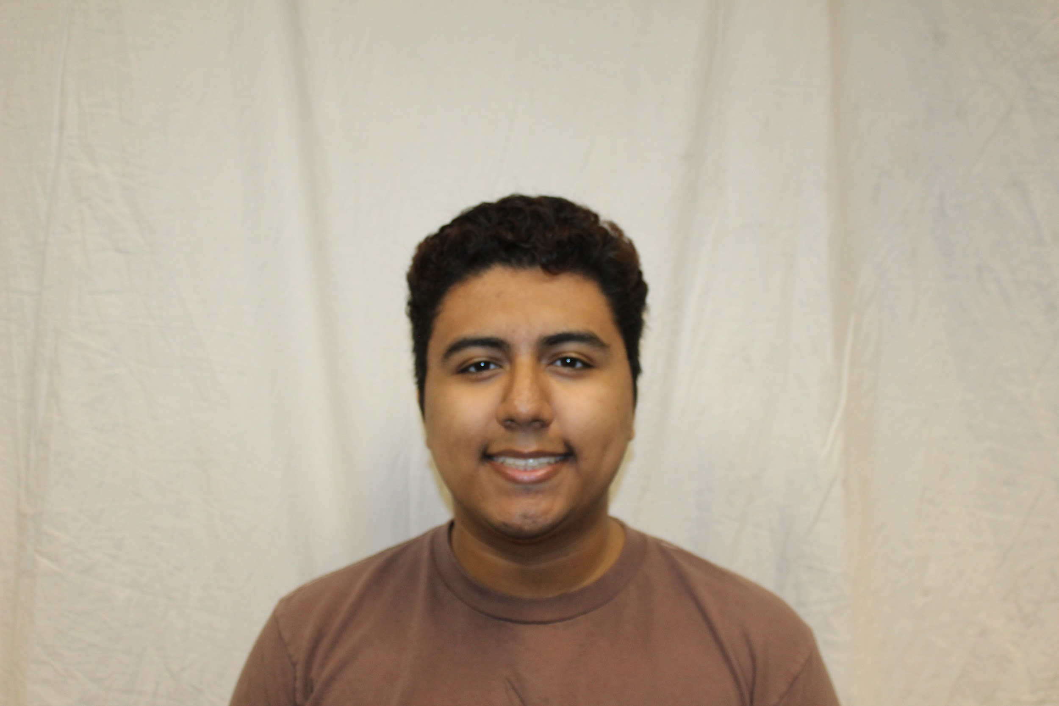 |  | 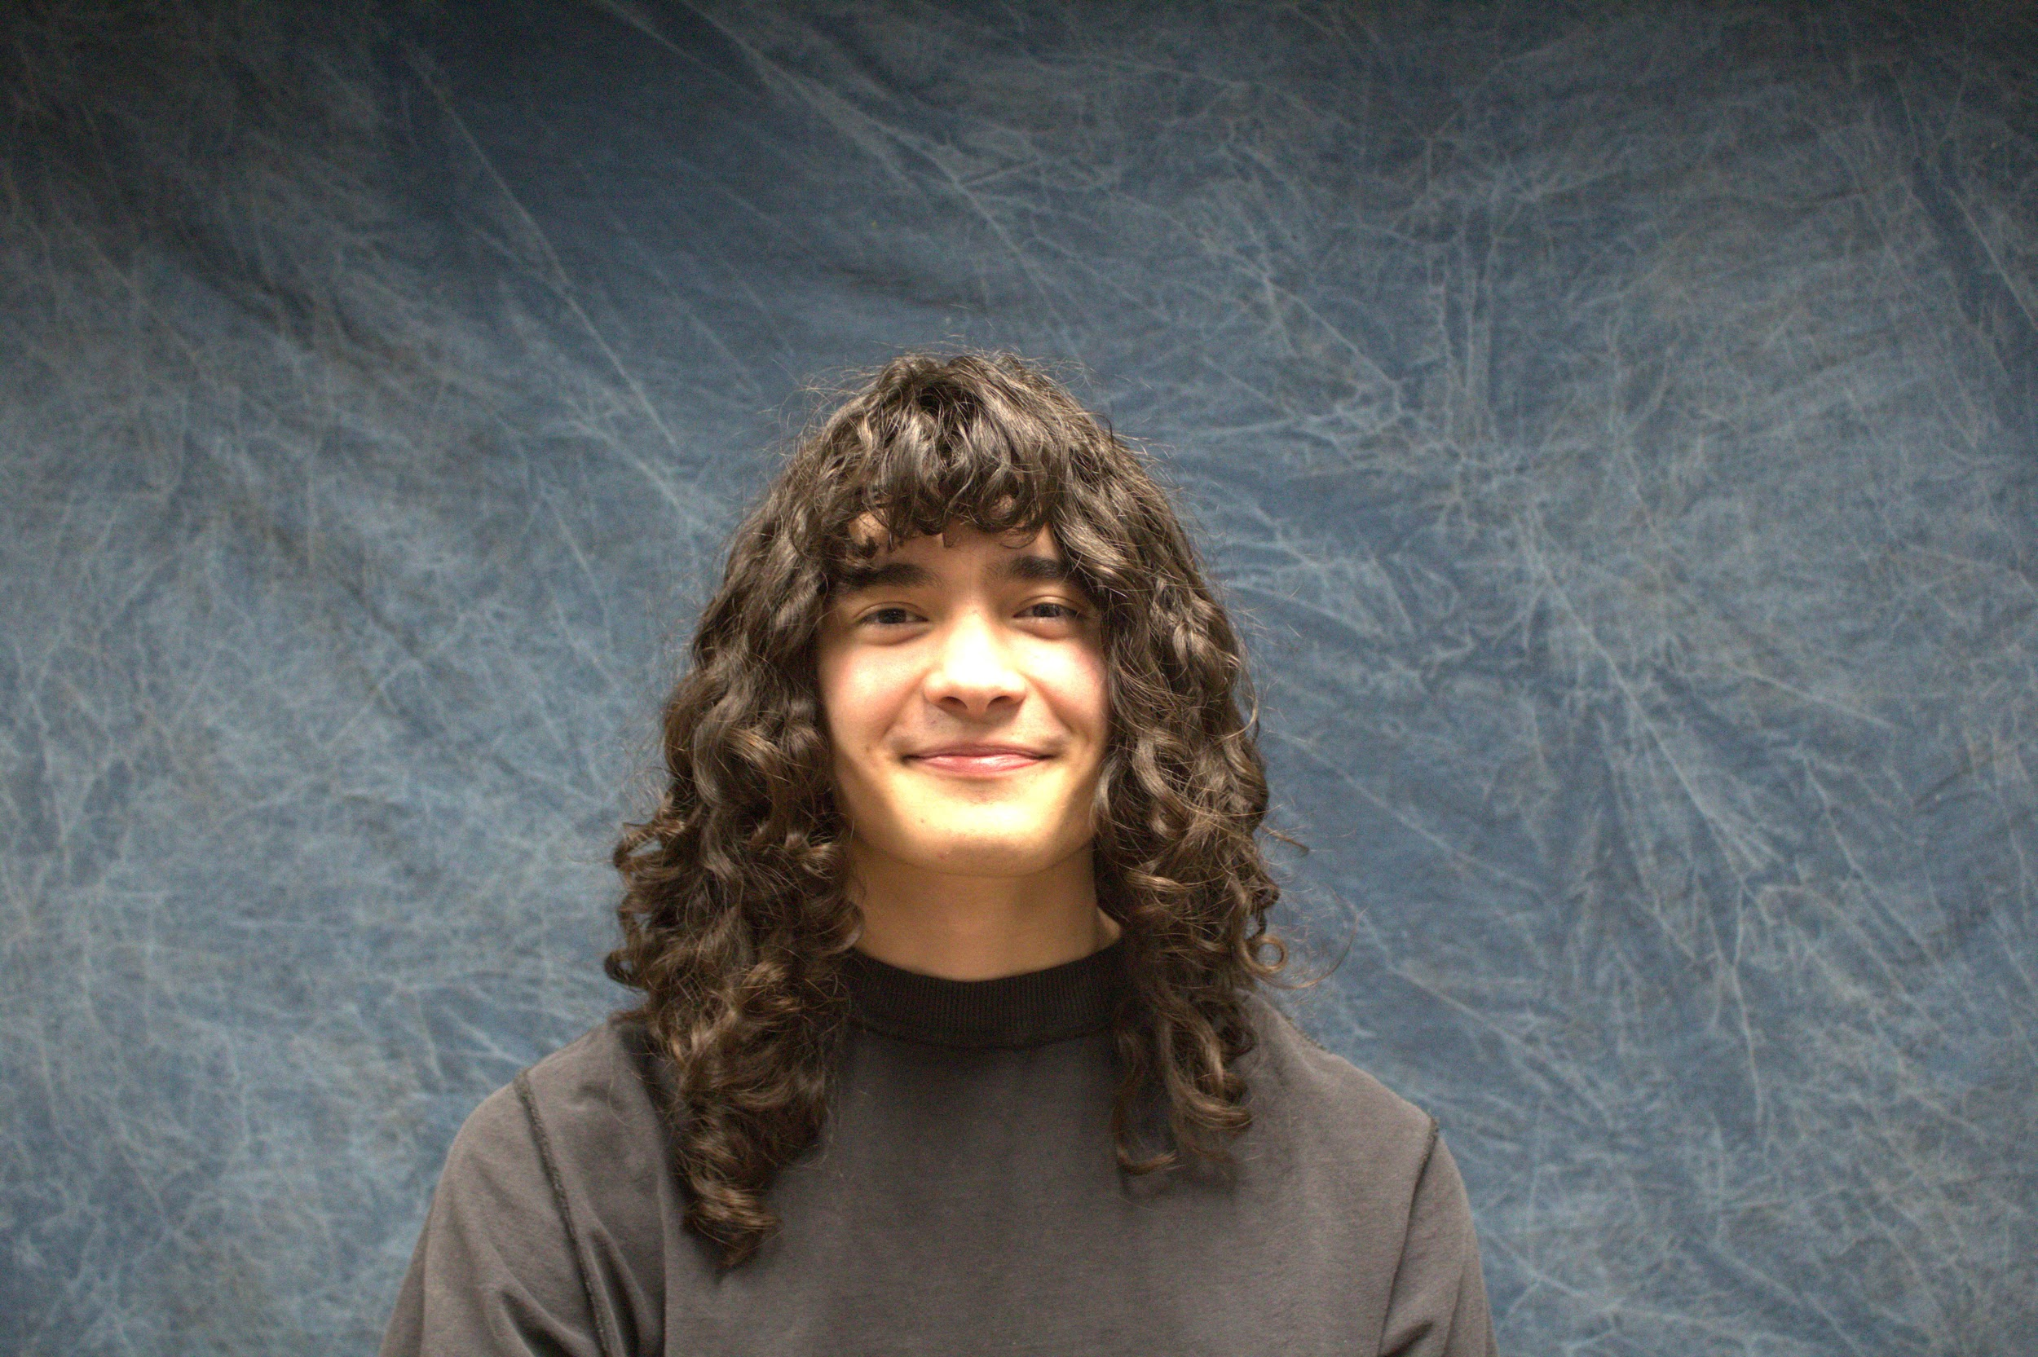 | 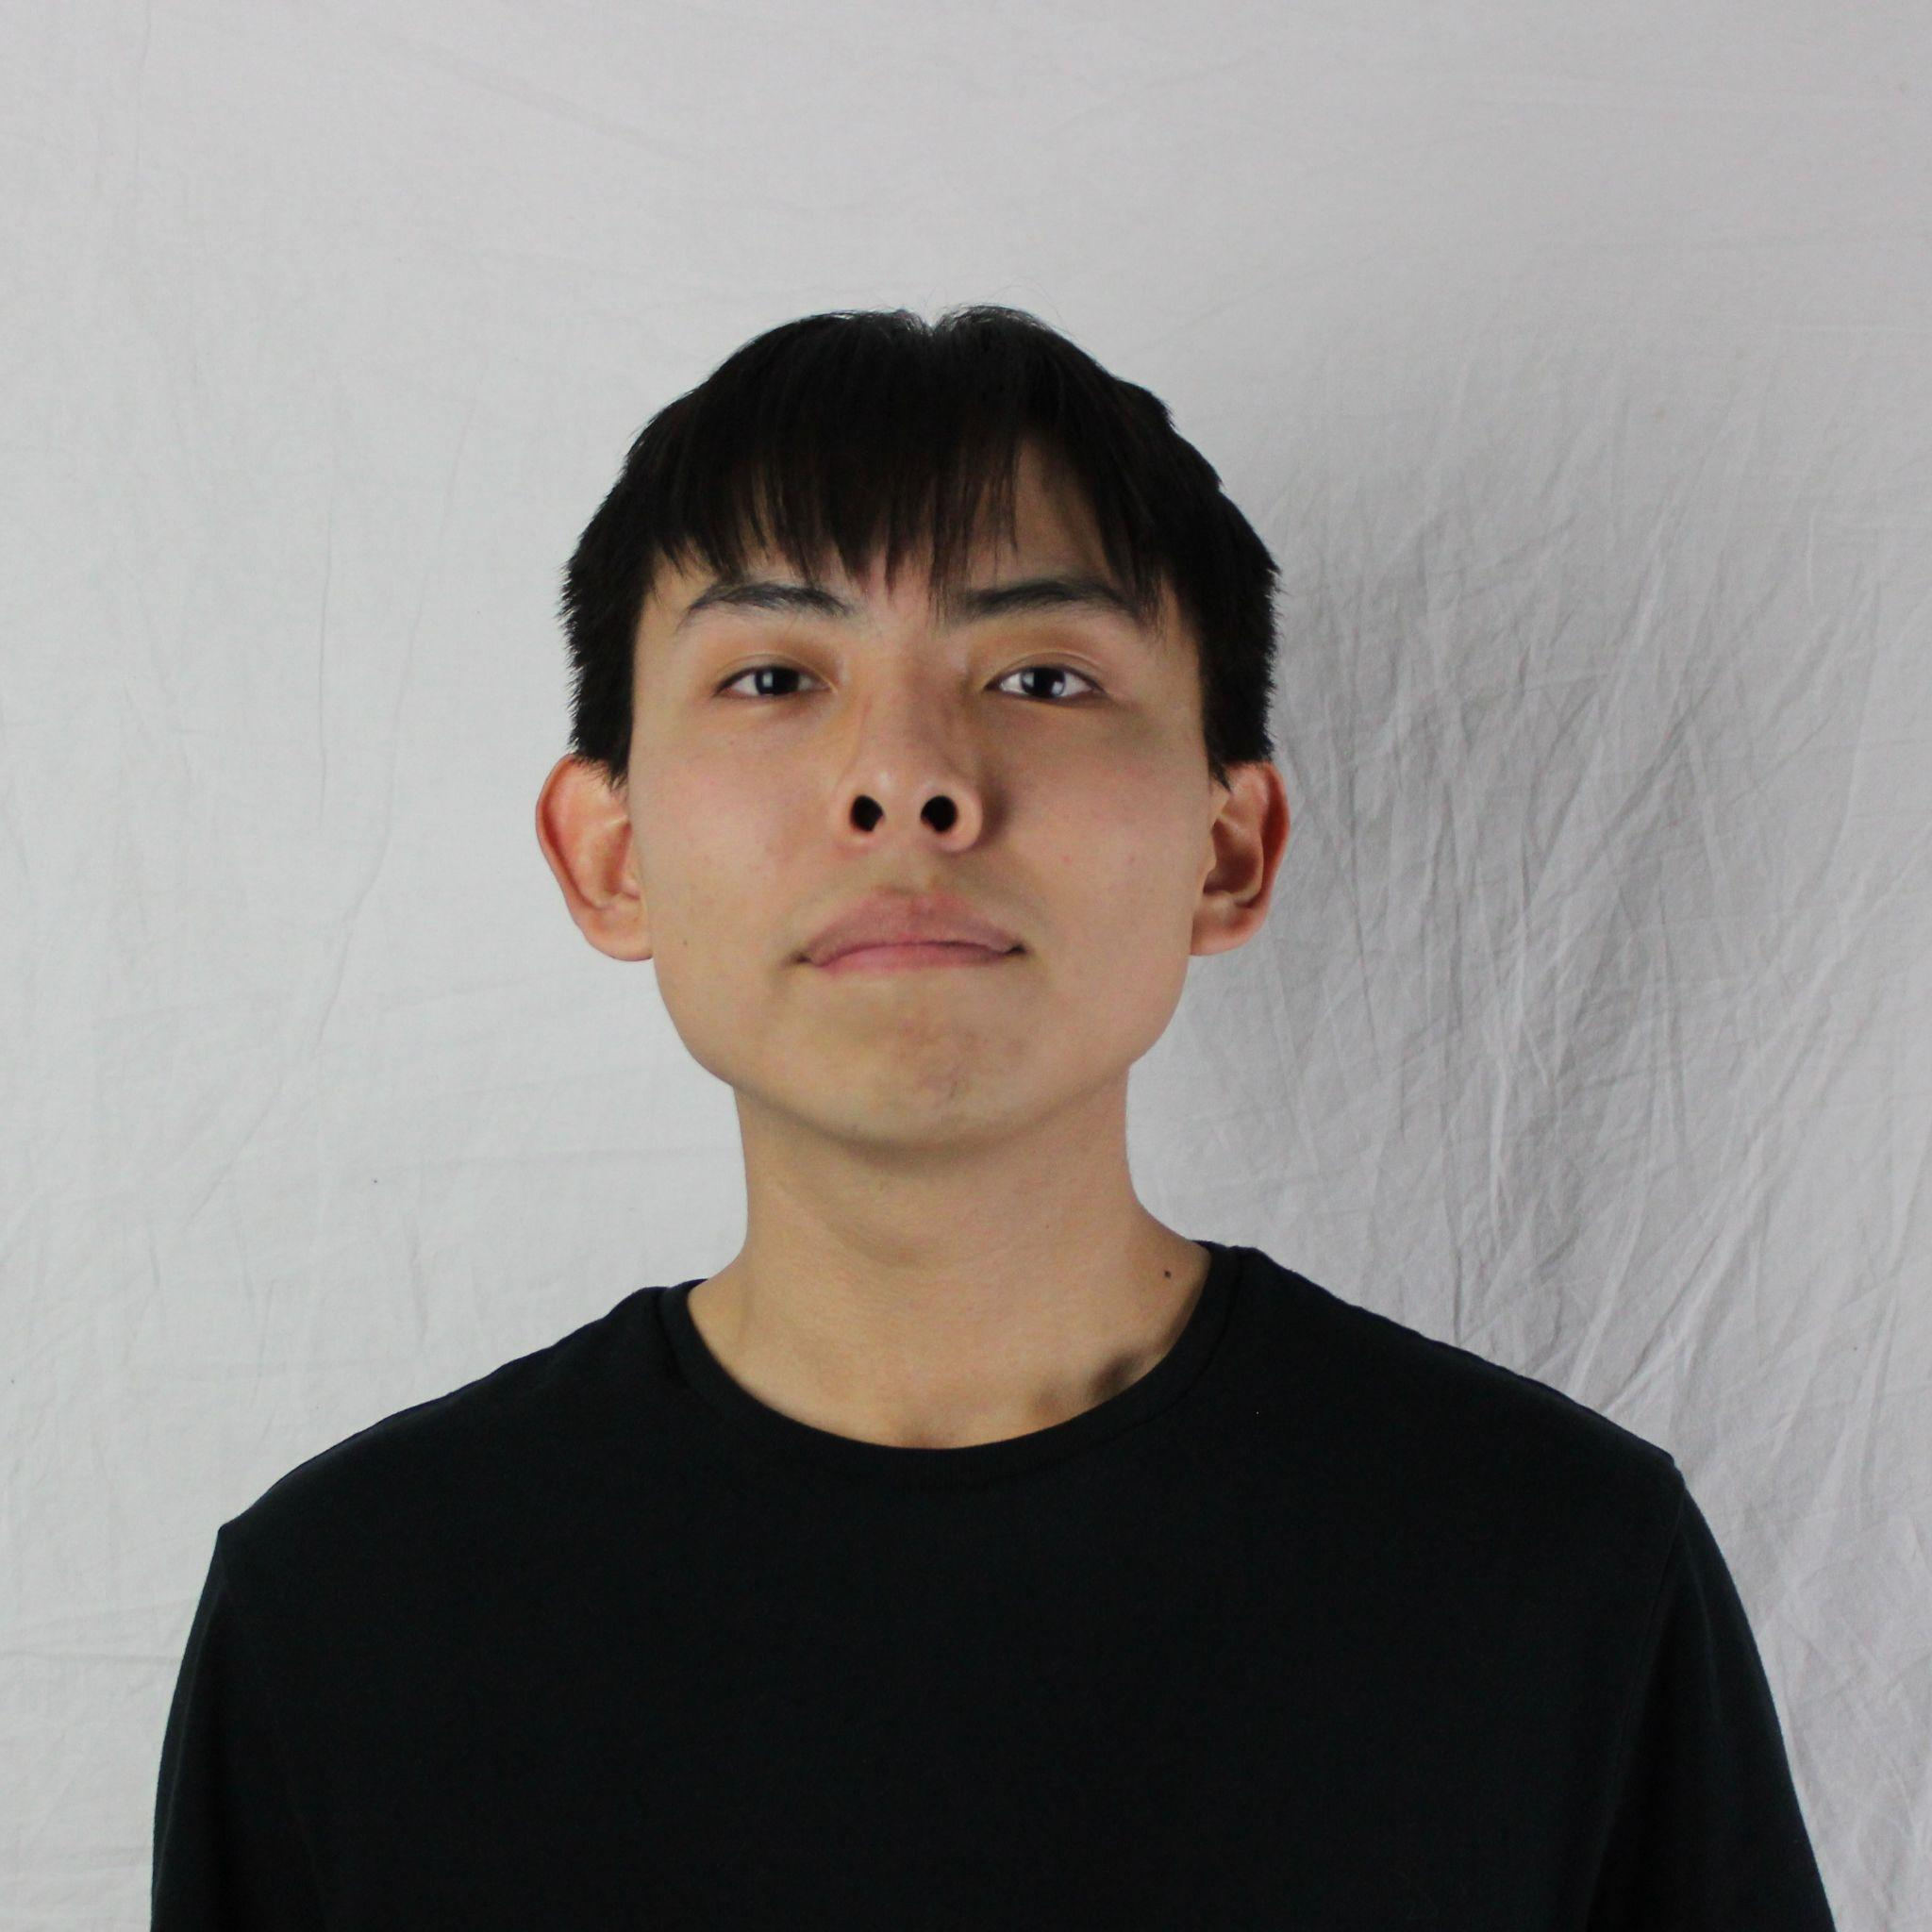
 | Jesse Ceja | Anna Cheatham | Tyler Jeffrey | Rique Trujillo Yazzie
 |  |  |  |  |  |  |  |  |  |  |  | XXX
Task ID | Status | Description |  |  | Assigned to | Start Date | Start Week | Expected End Date | Finished on Week | Measurable Outcome | Actual Outcome | XXX
N/A | <pick a status from the list> | <2-3 sentences to describe what is involved with the task and its goals in more detail> |  |  | <who’s responsible; if multiple persons, to what percentage> | <date task created> | <pick a week from the list> | <date task is due> | <pick a week from the list> | <Concise statement of exactly what deliverable is expected with notes on expectations of quality and/or completion> | <Concise statement of exactly what was delivered and at what level of quality>
1 | Done | Meeting with client, Jared Duval. Discussing project requirements & merger with NetGauge. |  |  | Tyler Jeffrey, Jesse Ceja, Anna Cheatham, Rique Yazzie, Group meeting: 25% each | 3/3/2026 | Week 8 (Mar 2 - Mar 6) | 3/18/2026 | Week 9 (Mar 16 - Mar 20) | Getting an updated list of project requirements and discussing the changes as a result of the project merger. | Discussed updated project requirements. Presented prototype UI design and began laying out the GitHub project structure in tandem with NetGauge project. | XXX
2 | Done | Meeting with CardioCare Quest team lead, Pavan Gorintla. Discussing merger and project changes. |  |  | Tyler Jeffrey, Jesse Ceja, Anna Cheatham, Rique Yazzie, Group meeting: 25% each | 3/3/2026 | Week 8 (Mar 2 - Mar 6) | 3/25/2026 | Week 9 (Mar 16 - Mar 20) | Understanding how CardioCare Quest will integrate with the workflow of NetGauge. Understanding project requirements further. | Discussed project timeline for deliverables. Confirmed GitHub changes for project. Also discussed symposium presentation materials. | XXX
3 | Done | Technology Feasibility Document Draft. This document will help us to refine the project's technological feasibility. |  |  | Tyler Jeffrey, Jesse Ceja, Anna Cheatham, Rique Yazzie. Members will be assigned portions of the document as listed below. | 3/5/2026 | Week 8 (Mar 2 - Mar 6) | 3/22/2026 | Week 9 (Mar 16 - Mar 20) | Produce a document that identifies key architectural challenges and selects a solutions for each. validated by an analysis and steps for technological integration. | We have created a mostly finalized draft going over an investigation into the project's major technical challenges and analyzed their solutions. | XXX
4 | Done | Aspects of Technological Feasibility Draft: Challenge 1 and all related sections & Conclusion |  |  | Jesse Ceja | 3/5/2026 | Week 8 (Mar 2 - Mar 6) | 3/19/2026 | Week 9 (Mar 16 - Mar 20) | Parts listed have the majority of detail needed, proper formatting may be missing for draft but core information is conveyed. | Assigned challenge has been completed with all sections accounted for. | XXX
5 | Done | Aspects of Technological Feasibility Draft: Challenge 2 & Integration |  |  | Rique Yazzie | 3/5/2026 | Week 8 (Mar 2 - Mar 6) | 3/19/2026 | Week 9 (Mar 16 - Mar 20) | Parts listed have the majority of detail needed, proper formatting may be missing for draft but core information is conveyed. | Assigned challenge has been completed with all sections accounted for. | XXX
6 | Done | Aspects of Technological Feasibility Draft: Challenge 4, Introduction, & Technogical Challenges |  |  | Tyler Jeffrey | 3/5/2026 | Week 8 (Mar 2 - Mar 6) | 3/19/2026 | Week 9 (Mar 16 - Mar 20) | Parts listed have the majority of detail needed, proper formatting may be missing for draft but core information is conveyed. | Assigned challenge has been completed with all sections accounted for. | XXX
7 | Done | Aspects of Technological Feasibility Draft: Challenge 3 & Integration. |  |  | Anna Cheatham | 3/5/2026 | Week 8 (Mar 2 - Mar 6) | 3/19/2026 | Week 9 (Mar 16 - Mar 20) | Parts listed have the majority of detail needed, proper formatting may be missing for draft but core information is conveyed. | Assigned challenge has been completed with all sections accounted for. | XXX
8 | In progress | Meeting with Pavan, sharing UI design concepts and symposium presentation materials. |  |  | Tyler Jeffrey, Jesse Ceja, Anna Cheatham, Rique Yazzie, Group meeting: 25% each | 3/23/2026 | Week 10 (Mar 23 - Mar 27) | 4/1/2026 |  | Get updated feedback from the client on UI design concepts for the app shell. Also discussing poster and abstract for presentation. |  | XXX
9 | In progress | Project presentation preparation. Finalizing abstract. |  |  | Anna Cheatham | 3/23/2026 | Week 10 (Mar 23 - Mar 27) | 4/1/2026 |  | Finalizing the project abstract for our presentation, this includes a medium-length description of problem, solution, and project vision. |  | XXX
10 | Next up | Finalized technology feasibility document. |  |  | Tyler Jeffrey, Jesse Ceja, Anna Cheatham, Rique Yazzie. Members will be working within their previously assigned sections. | 3/26/2026 | Week 10 (Mar 23 - Mar 27) | 4/3/2026 |  | Following document review, each section of this document will be fully fleshed out in terms of content and formatting. |  | XXX
11 | Next up | Requirements Document planning. |  |  | Tyler Jeffrey, Jesse Ceja, Anna Cheatham, Rique Yazzie. Members will be working within their previously assigned sections. | 3/26/2026 | Week 10 (Mar 23 - Mar 27) | 4/1/2026 |  | Plan out sections for the requirements document as well as meetings that will have to be scheduled with project teams. |  | XXX
12 |  |  |  |  |  |  |  |  |  |  |  | XXX
13 |  |  |  |  |  |  |  |  |  |  |  | XXX
14 |  |  |  |  |  |  |  |  |  |  |  | XXX
15 |  |  |  |  |  |  |  |  |  |  |  | XXX
16 |  |  |  |  |  |  |  |  |  |  |  | XXX
17 |  |  |  |  |  |  |  |  |  |  |  | XXX
18 |  |  |  |  |  |  |  |  |  |  |  | XXX
19 |  |  |  |  |  |  |  |  |  |  |  | XXX
20 |  |  |  |  |  |  |  |  |  |  |  | XXX
21 |  |  |  |  |  |  |  |  |  |  |  | XXX
22 |  |  |  |  |  |  |  |  |  |  |  | XXX
23 |  |  |  |  |  |  |  |  |  |  |  | XXX
24 |  |  |  |  |  |  |  |  |  |  |  | XXX
25 |  |  |  |  |  |  |  |  |  |  |  | XXX
26 |  |  |  |  |  |  |  |  |  |  |  | XXX
27 |  |  |  |  |  |  |  |  |  |  |  | XXX
28 |  |  |  |  |  |  |  |  |  |  |  | XXX
29 |  |  |  |  |  |  |  |  |  |  |  | XXX
30 |  |  |  |  |  |  |  |  |  |  |  | XXX
31 |  |  |  |  |  |  |  |  |  |  |  | XXX
32 |  |  |  |  |  |  |  |  |  |  |  | XXX
33 |  |  |  |  |  |  |  |  |  |  |  | XXX
34 |  |  |  |  |  |  |  |  |  |  |  | XXX
35 |  |  |  |  |  |  |  |  |  |  |  | XXX
36 |  |  |  |  |  |  |  |  |  |  |  | XXX
37 |  |  |  |  |  |  |  |  |  |  |  | XXX
38 |  |  |  |  |  |  |  |  |  |  |  | XXX
39 |  |  |  |  |  |  |  |  |  |  |  | XXX
40 |  |  |  |  |  |  |  |  |  |  |  | XXX
41 |  |  |  |  |  |  |  |  |  |  |  | XXX
42 |  |  |  |  |  |  |  |  |  |  |  | XXX
43 |  |  |  |  |  |  |  |  |  |  |  | XXX
44 |  |  |  |  |  |  |  |  |  |  |  | XXX
45 |  |  |  |  |  |  |  |  |  |  |  | XXX
46 |  |  |  |  |  |  |  |  |  |  |  | XXX
47 |  |  |  |  |  |  |  |  |  |  |  | XXX
48 |  |  |  |  |  |  |  |  |  |  |  | XXX
49 |  |  |  |  |  |  |  |  |  |  |  | XXX
50 |  |  |  |  |  |  |  |  |  |  |  | XXX
51 |  |  |  |  |  |  |  |  |  |  |  | XXX
52 |  |  |  |  |  |  |  |  |  |  |  | XXX
53 |  |  |  |  |  |  |  |  |  |  |  | XXX
54 |  |  |  |  |  |  |  |  |  |  |  | XXX
55 |  |  |  |  |  |  |  |  |  |  |  | XXX
56 |  |  |  |  |  |  |  |  |  |  |  | XXX
57 |  |  |  |  |  |  |  |  |  |  |  | XXX
58 |  |  |  |  |  |  |  |  |  |  |  | XXX
59 |  |  |  |  |  |  |  |  |  |  |  | XXX
60 |  |  |  |  |  |  |  |  |  |  |  | XXX
61 |  |  |  |  |  |  |  |  |  |  |  | XXX
62 |  |  |  |  |  |  |  |  |  |  |  | XXX
63 |  |  |  |  |  |  |  |  |  |  |  | XXX
64 |  |  |  |  |  |  |  |  |  |  |  | XXX
65 |  |  |  |  |  |  |  |  |  |  |  | XXX
66 |  |  |  |  |  |  |  |  |  |  |  | XXX
67 |  |  |  |  |  |  |  |  |  |  |  | XXX
68 |  |  |  |  |  |  |  |  |  |  |  | XXX
69 |  |  |  |  |  |  |  |  |  |  |  | XXX
70 |  |  |  |  |  |  |  |  |  |  |  | XXX
71 |  |  |  |  |  |  |  |  |  |  |  | XXX
72 |  |  |  |  |  |  |  |  |  |  |  | XXX
73 |  |  |  |  |  |  |  |  |  |  |  | XXX
74 |  |  |  |  |  |  |  |  |  |  |  | XXX
75 |  |  |  |  |  |  |  |  |  |  |  | XXX
76 |  |  |  |  |  |  |  |  |  |  |  | XXX
77 |  |  |  |  |  |  |  |  |  |  |  | XXX
78 |  |  |  |  |  |  |  |  |  |  |  | XXX

